Application Screen
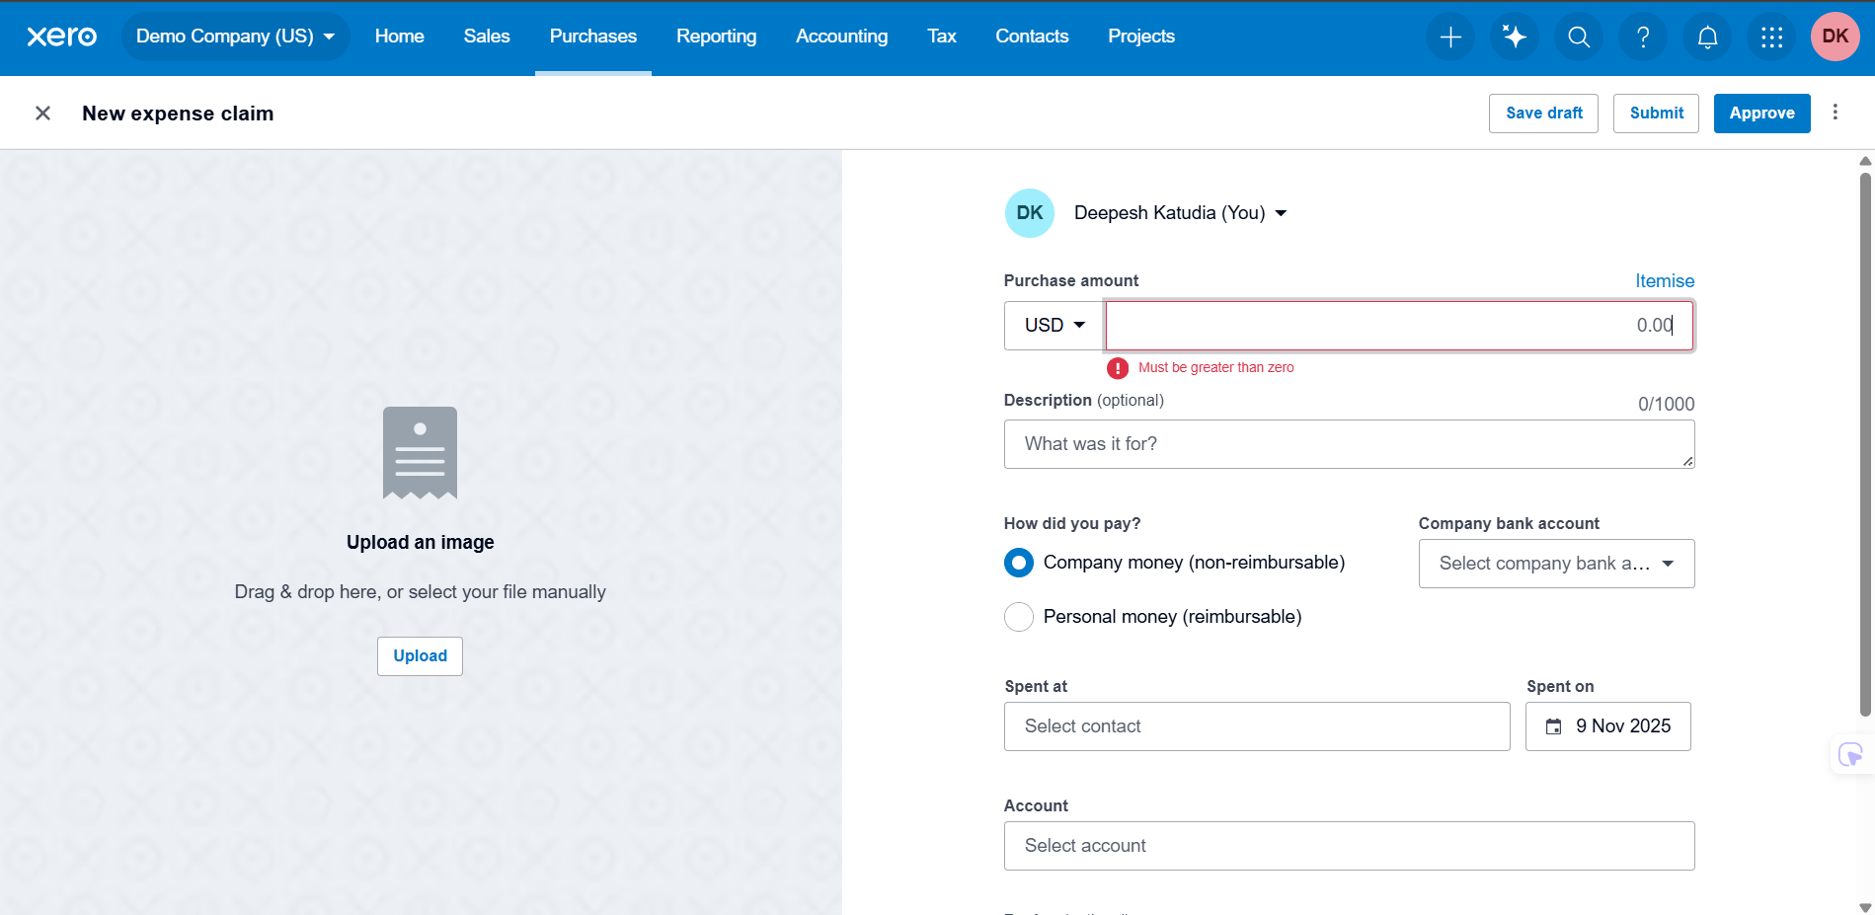
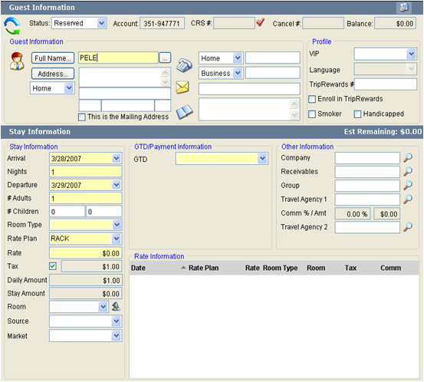

Test Case 6
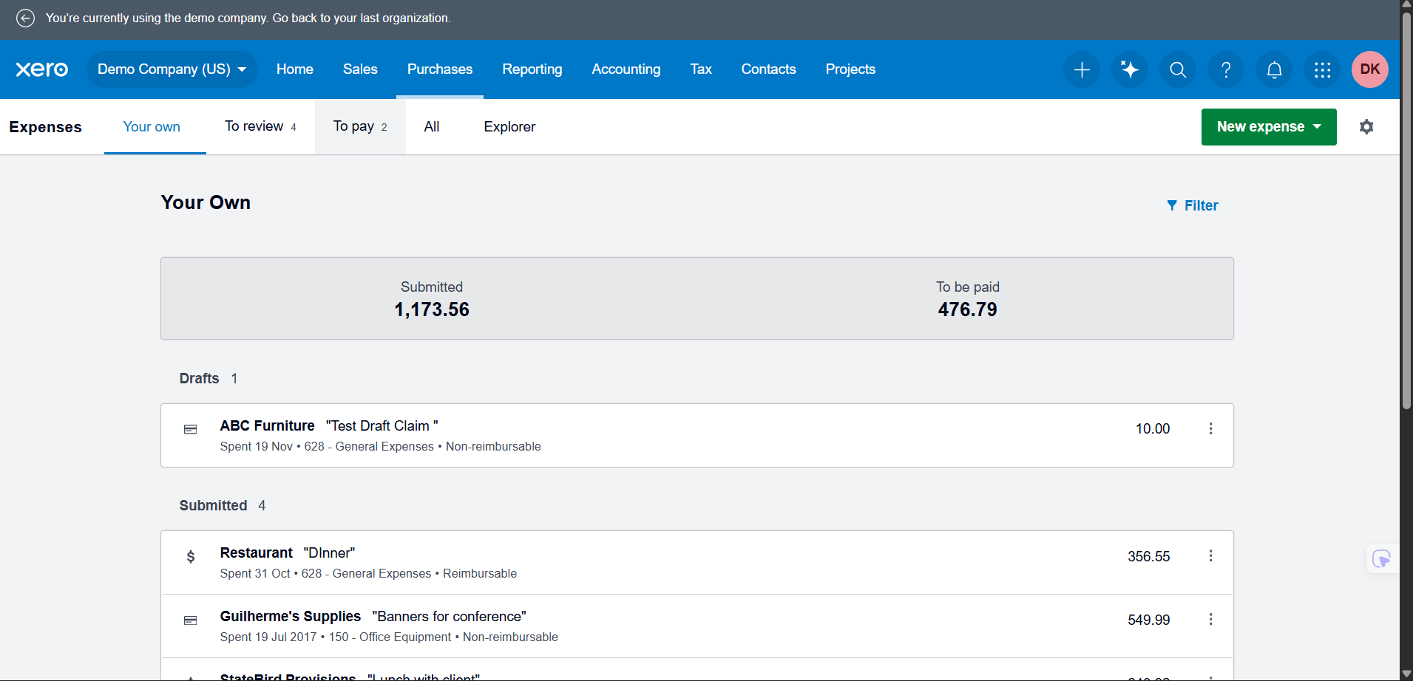
TC Title: | TC6. Create expense claim – calculation testing (line/claim totals, tax, rounding)

TC Objective: | The objective of this test case is to verify that Xero correctly calculates line totals, claim totals, and tax amounts for an expense claim, and that monetary values are rounded correctly to two decimal places. The test confirms that quantity, unit price, and tax rate are applied consistently at line level and aggregated correctly at claim level.

Test Data (optional):

TC Description
 | Step | Step Description | Expected Results
 | 1 | Log in to Xero as Advisor and open Demo Company (US). | Verify user is logged in and company dashboard is displayed.
 | 2 | Navigate to Purchases and open the Expenses section. | Verify Expenses page is displayed.
 | 3 | Click New expense and select New claim. | Verify a new expense claim form opens.
 | 4 | Add Line 1: set Quantity = 1, Unit price = 100.00, select a Category, and select a tax rate of 10 percent. | Verify line net shows 100.00, tax shows 10.00, and line total shows 110.00.
 | 5 | Add Line 2: set Quantity = 2, Unit price = 50.00, same Category, same 10 percent tax rate. | Verify line net for Line 2 shows 100.00, tax shows 10.00, and line total shows 110.00.
 | 6 | Observe the claim summary section (subtotal, tax, total) after Lines 1 and 2. | Verify net subtotal shows 200.00, tax total shows 20.00, and claim total shows 220.00.
 | 7 | Add Line 3: set Quantity = 1, Unit price = 33.335, same Category, same 10 percent tax rate. Tab or click out of the field to trigger calculation. | Verify the unit price is rounded to 33.34. Verify line tax shows 3.33 and line total shows 36.67.
 | 8 | Check the claim summary section again. | Verify net subtotal shows 233.34, tax total shows 23.33, and claim total shows 256.67.
 | 9 | Save the claim as Draft. | Verify the claim is saved successfully and visible in Draft status with the displayed total 256.67.
 | 10 | Reopen the saved draft claim. | Verify that all line amounts, tax amounts, and claim totals remain the same as calculated in previous steps without any change or rounding drift.

